CSAB Expense Report
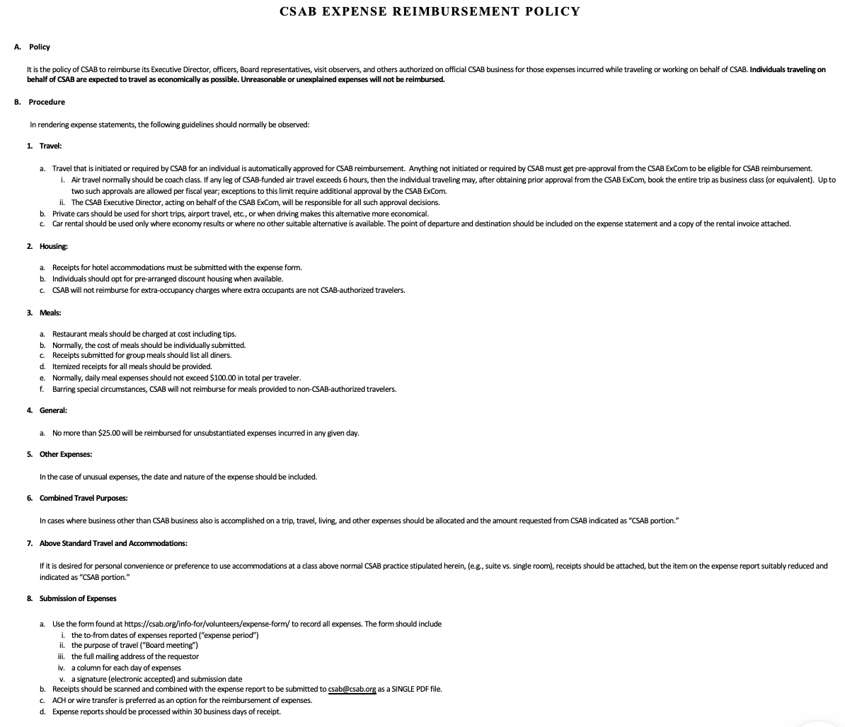
 |  | 

REQUEST FOR REIMBURSEMENT OF EXPENSES - Version 18

Name:
Address:

Telephone:

Note: Shaded areas are calculated values or reserved for Accounting Use. Do not enter values into these areas. |  |  | Purpose (e.g., Board Meeting, ExCom Meeting, ABET Board Meeting, Observer Visit, etc.)

 | Date |  |  |  | Total
 | Travel To (if applicable)
 | Travel From (if applicable)
Personal Auto Mileage
Mileage Allowance ($0.76 per mile) |  |  |  |  | 0.00
Tolls & Parking |  |  |  |  | 0.00
Taxi, Limo, etc. |  |  |  |  | 0.00
Plane, Train, Auto Rental (Attach receipt) |  |  |  |  | 0.00
Hotel (Attach receipt-include internet here if applicable) |  |  |  |  | 0.00
Meals-Self (Attach receipt for all expenditures) |  |  |  |  | 0.00
Meals-Group (List diners' names on receipt) |  |  |  |  | 0.00
Tips Not Already Listed Above (e.g., maid service) |  |  |  |  | 0.00
Supplies (Attach receipt for all expenditures) |  |  |  |  | 0.00
Other (Attach receipt for all expenditures) |  |  |  |  | 0.00
Total Expense |  |  |  |  | 0.00

Originator's Signature: |  |  |  | Date Signed:

CSAB's Approval: |  |  |  | Date Approved:

For ACH (Electronic Bank Transfer) Reimbursement
Official name on account (your name):
Name of financial institution:
ABA (or SWIFT code) routing number:
Account type (checking vs. savings):
Account number:

Return to: CSAB c/o Andrew Phillips, 814 Francis Harris Place, Annapolis, MD 21401
Or (preferably) scan receipts, create a pdf combining them with the above form, and email it to aphillips@csab.org.

